Monefy
Project Name: SoftwareTestingMaterial | Monefy app

Defect ID | Defect Description(Title) | Reproducible Steps | Severity | Priority | Impact | Network | Affected Devicese | Attachments(Screenshot)
#1 | Income and Expense buttons are change after doing clear data and close the app and remove it from memory | 1-insert Income | minor | Low | Ui/UX | Wifi | Samsung S8+ | 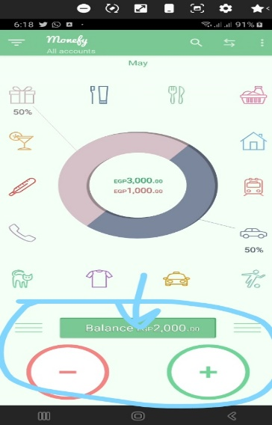
 |  | 2-press clear data
 |  | 3-close app
 |  | 4-remove app from memory
 |  | 5-open app again
#2 | Unlock Monefy pro | 1-open settings | major | med | purchase | wifi | Samsung S8+ | 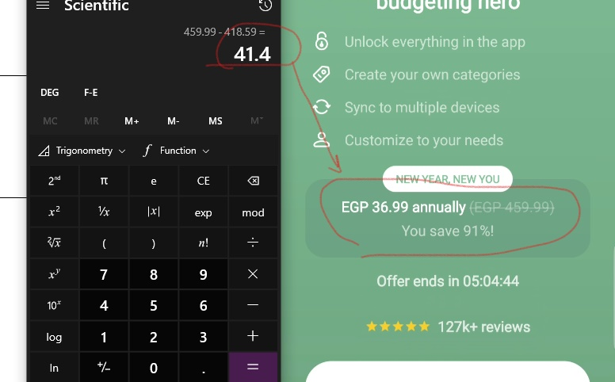
 |  | 2-open Unlock Monefy pro button

#3 | create two accounts with the same Name and Image | 1-press Accounts button 2-press Add button 3-name the account wite any name | major | high | UX | Wifi | 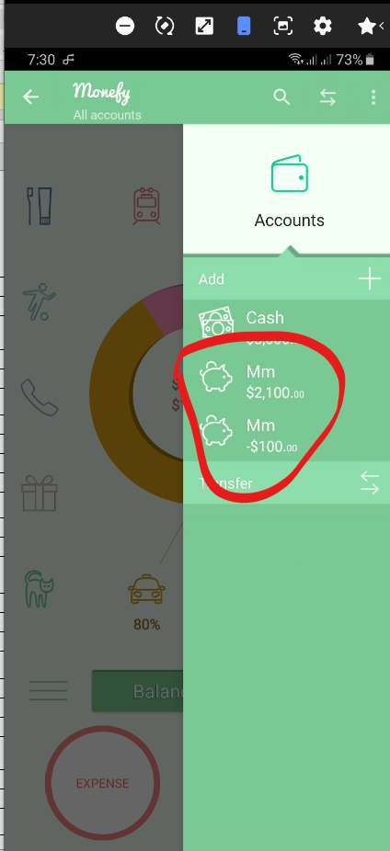 Samsung S8+

#4 | calculate percentage in home page | 1-select car | minor | low | Ui/UX | Wifi | Samsung S8+ | 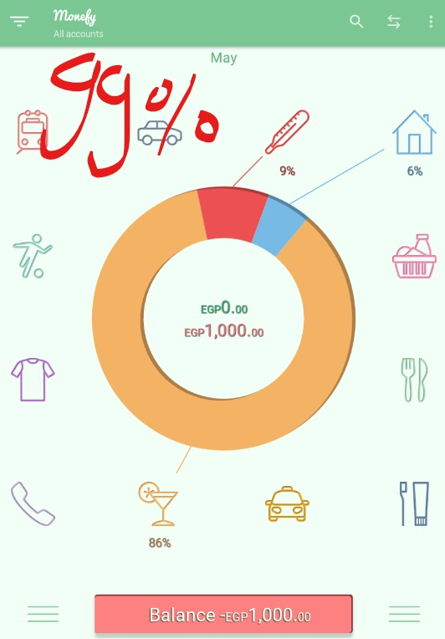
 |  | 2-put price 90$
 |  | 3-select health
 |  | 4-put price 90$
 |  | 5-select food
 |  | 6-put price 60$
 |  | 7-select communication
 |  | 8-put price 860$
#5 | add price to item in anther month | 1-open left menu 2-open choose date 3-select day in different month 4-click ok 5-select month from left menu 6-put price to any prodact in that month | critical | high | UX | Wifi | Samsung S8+ | 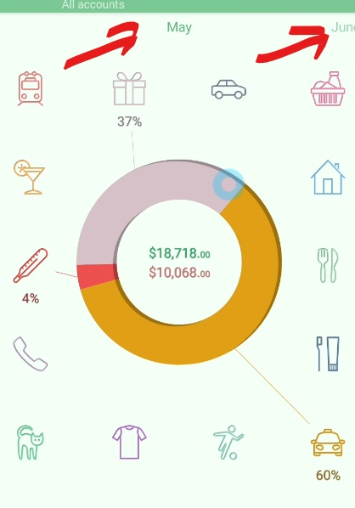
#6 | Home Page UI | 1-open setting 2-check budget mode is on 3-put monthly budget amount 4-add new Income | minor | med | UX | Wifi | samsung S8+ | 